Sheet1
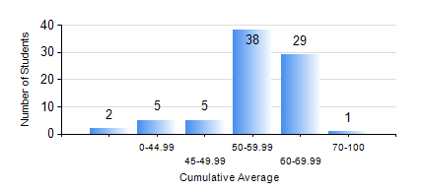
 |  |  | KWAME NKRUMAH UNIVERSITY OF SCIENCE AND TECHNOLOGY, KUMASI Department of Materials Engineering

 |  |  | BSC. METALLURGICAL ENG.

 |  |  | COMPREHENSIVE RECORD OF EXAMINATION RESULTS

 |  |  | RESULTS OF YEAR 1 FIRST SEMESTER, 2021/2022 ACADEMIC YEAR

 | Sn | Course Code |  | Course Name | Credit Hours | Min. Mark | Max. Mark | Avg. Mark | Std. Dev. | No. Passed | No. Trailed | No. (Df) | No. (I) | No. (I*) | No. Tagged(I,I*,Df) | Total
 | 0. |  |  |  |  |  |  | 0 | 0 | 0 | 0 | 0 | 0 | 0 | 0 | 2
 | 1. | EE 151 |  | APPLIED ELECTRICITY | 3 | 28 | 84 | 56 | 9.45 | 77 | 1 | 0 | 0 | 0 | 0 | 78
 | 2. | ENGL 157 |  | COMMUNICATION SKILLS I | 2 | 30 | 82 | 57 | 11.02 | 77 | 1 | 0 | 0 | 0 | 0 | 78
 | 3. | GED 151 |  | BASIC GEOLOGY | 2 | 35 | 88 | 66 | 10.1 | 77 | 1 | 0 | 0 | 0 | 0 | 78
 | 4. | MATH 151 |  | ALGEBRA | 4 | 32 | 75 | 54 | 10.02 | 76 | 2 | 0 | 0 | 0 | 0 | 78
 | 5. | ME 159 |  | TECHNICAL DRAWING | 2 | 23 | 81 | 57 | 14.34 | 72 | 6 | 0 | 0 | 0 | 0 | 78
 | 6. | ME 195 |  | ENGINEERING TECHNOLOGY I | 2 | 40 | 82 | 62 | 7.5 | 78 | 0 | 0 | 0 | 0 | 0 | 78
 | 7. | METE 151 |  | INTRODUCTION TO INFORMATION TECHNOLOGY | 2 | 33 | 73 | 56 | 8.45 | 77 | 1 | 0 | 0 | 0 | 0 | 78

